PHD EGRR
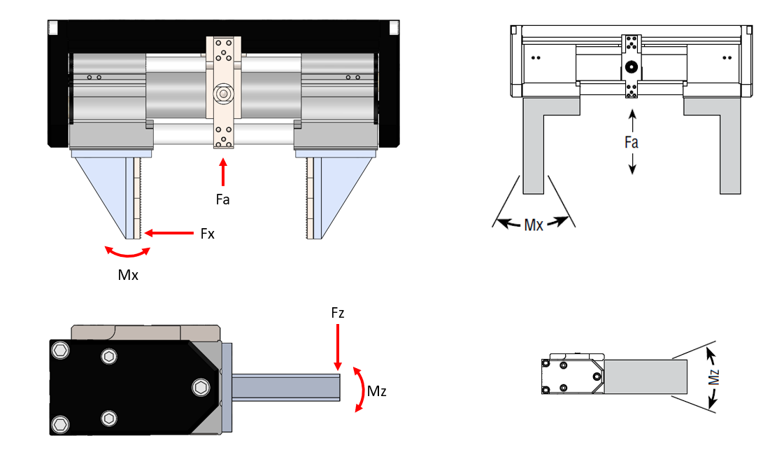
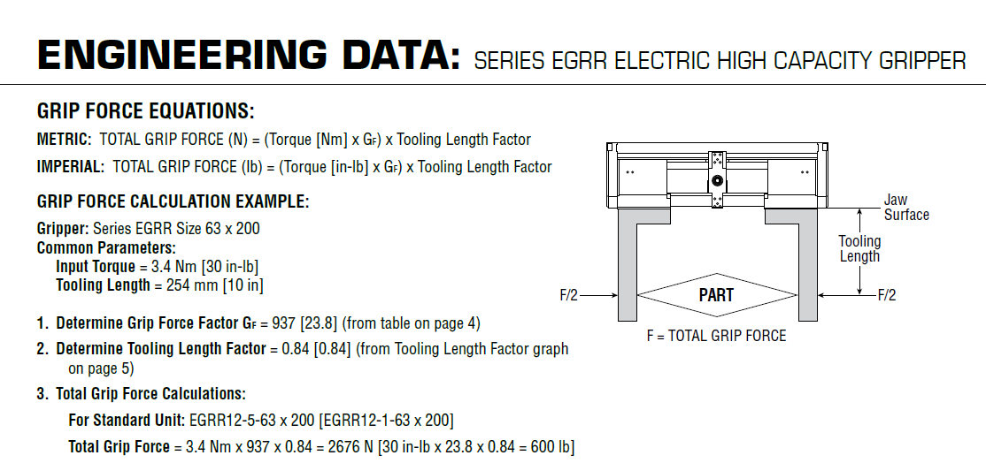
Parameter | Value | Unit
Cutting Force | 150 | lbs
Weight of the pallet | 70 | lbs
External Load | 0 | lbs
Total Load | 220 | lbs | Applied as total of Fx, Fz, or Fa
Tooling (Finger) Length | 4 | in
No. of gripper | 6
Mx due to load per gripper | 655.97000667 | lb-in | Grip force also contributes, all loading could go to one jaw on each gripper
Mz due to load per gripper | 73.333333333 | lb-in | Grip force does not contribute, loading goes to all jaws
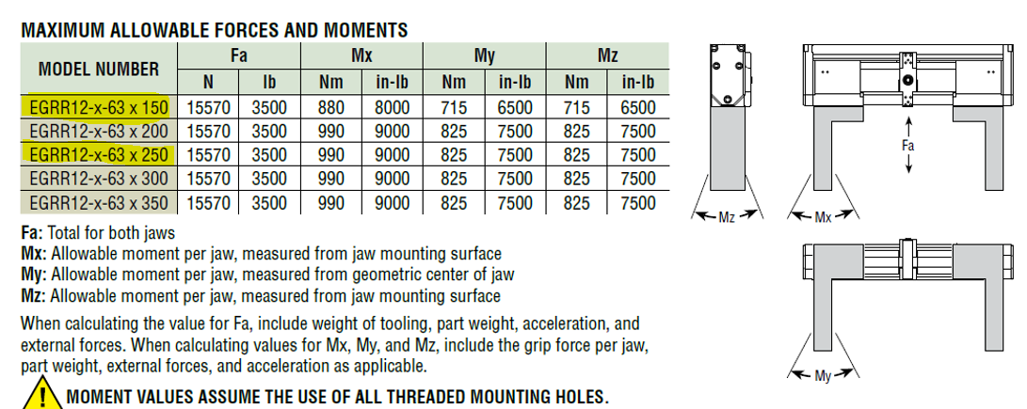
Fa allowable | 3500 | lb
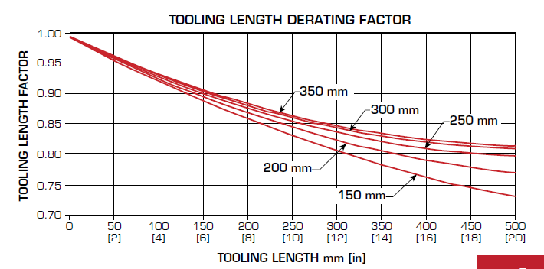
Mx allowable | 8000 | lb-in
Mz allowable | 6500 | lb-in
Fa Safety Factor | 95.5
Mx Safety Factor | 12.2
Mz Safety Factor | 88.6
Motor Torque | 11.505 | lb-in | 1.3 | Nm | Nominal performance
Speed Ratio | 1:15
Worm gear efficiency % | 70
Input Torque | 120.8025 | lb-in | 13.65 | Nm
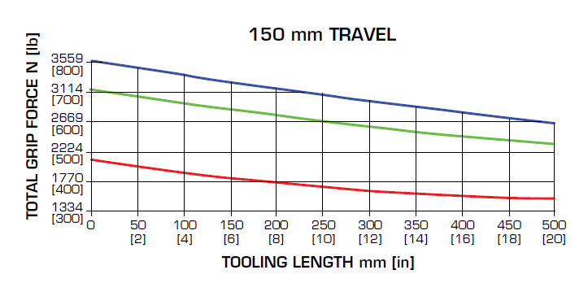
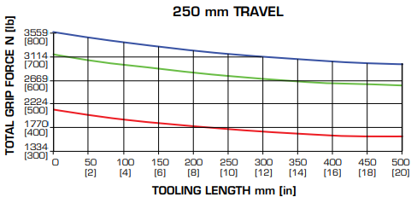
Grip force factor | 23.8 | From datasheet
Tooling Length Factor | 0.93
Total Grip Force per gripper | 254.65167 | lb
Grip Force Safety Factor | 6.9

EGRR ACTUATION TIME
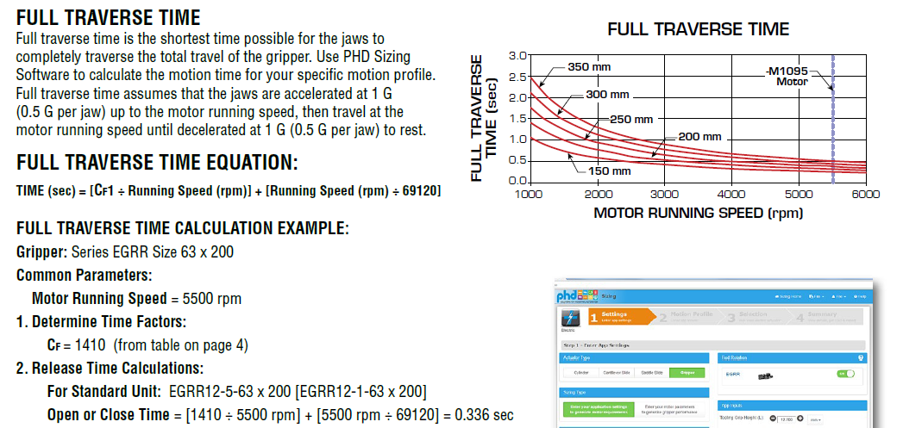
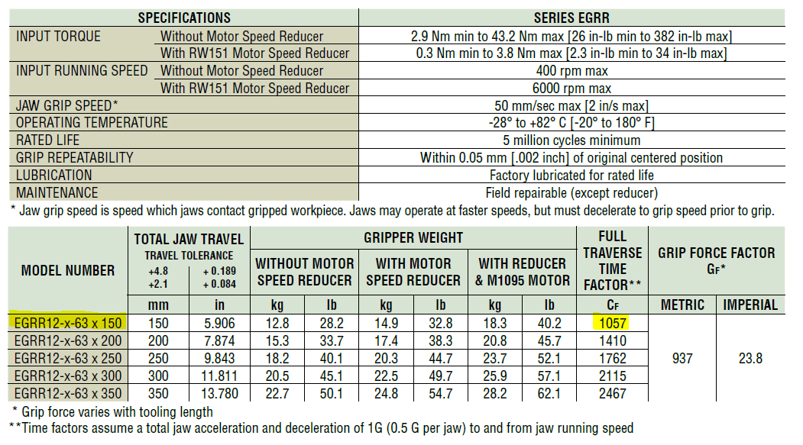
MODEL NUMBER | EGRR12-x-63 x 150
FULL TRAVERSE TIME FACTOR - Cf | 1057
MOTOR SPEED (RPM) | 3000
OPEN OR CLOSETIME (Sec) | 0.396

